Dashboard
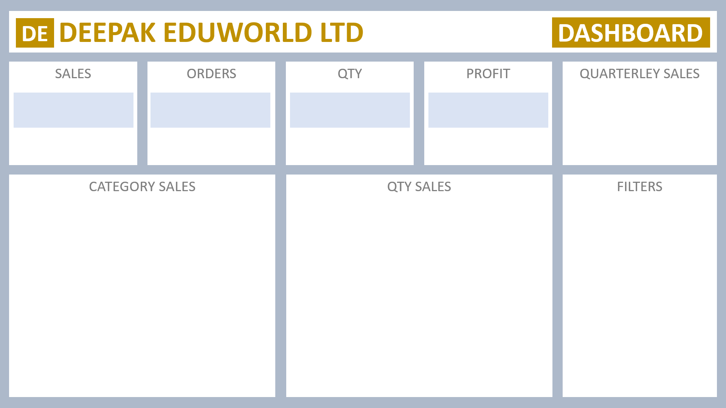

JIshan Khan Company Private LTD

 | Total
Qtr1 | ₹2,414,032
Qtr2 | ₹2,368,180
Qtr3 | ₹3,095,380
Qtr4 | ₹1,965,450
₹9,843,042
981
4279.8
₹984,304

